Indices

 | Iraq Stock Exchange
 | Bulletin No (108)
 | ISX Trading Indices of Tuesday 23/6/2026

 | Traded Volume and OTC |  | 843,613,794 |  | Traded Value and OTC |  | 1,545,311,993 |  | Traders | 1509
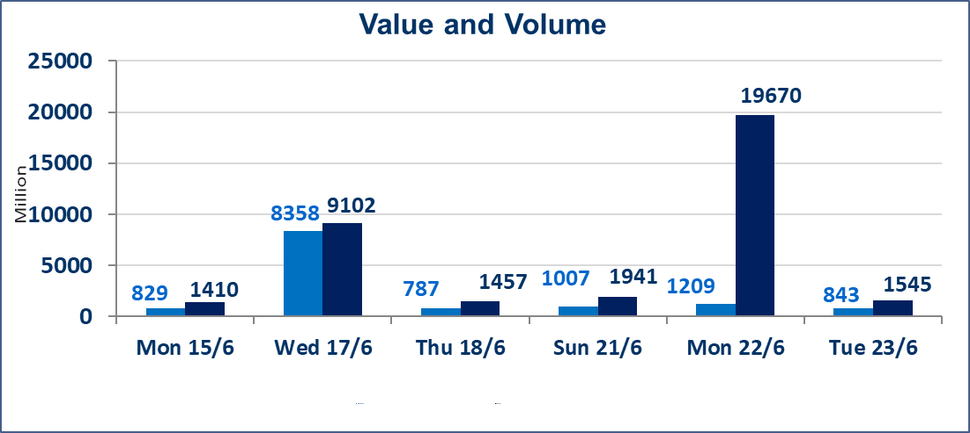
 | ISX Index 60 |  |  | 1032.68 | ISX Index 15 |  |  | 1290.61
 | Previous ISX Index60 |  |  | 1019.71 | Previous ISX Index15 |  |  | 1285.16
 | Change % |  |  | 1.27 | Change % |  |  | 0.42
 | Change |  |  | 12.97 | Change |  |  | 5.45

 | Listed Companies | 103 | OTC | 15 | Non Traded listed | 37 | OTC | 14
 | Traded Listed Companies | 54 | OTC | 1 | Higher Companies |  |  | 10
 | GAM Companies |  |  | 4 | Lower Companies |  |  | 19
 | Suspended Companies |  |  | 8
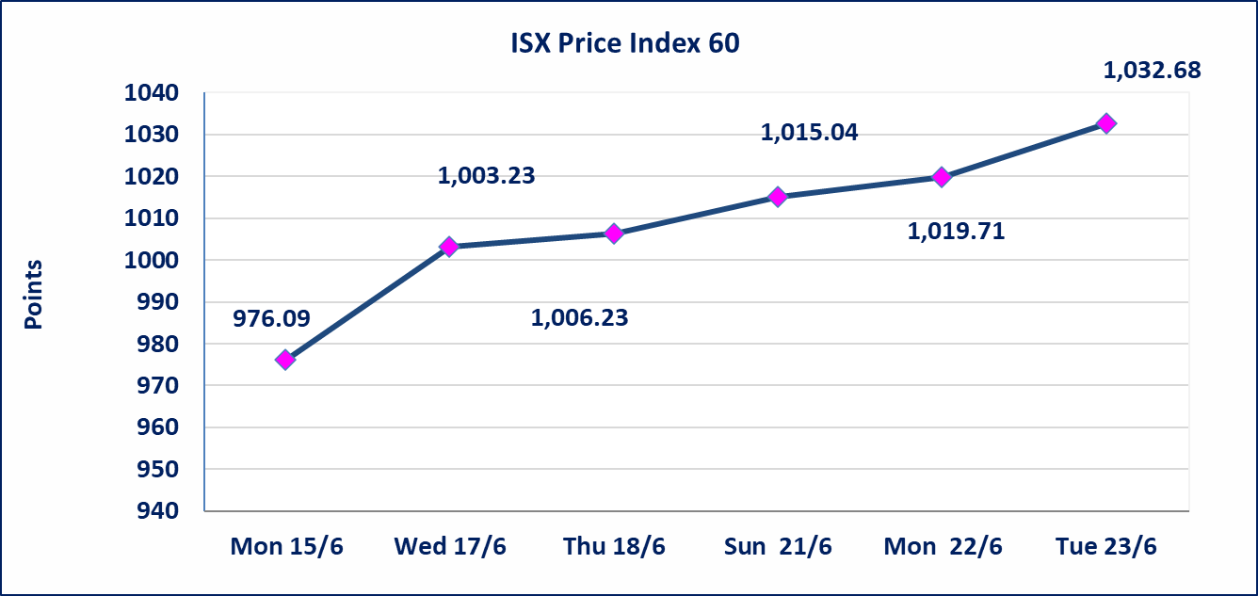
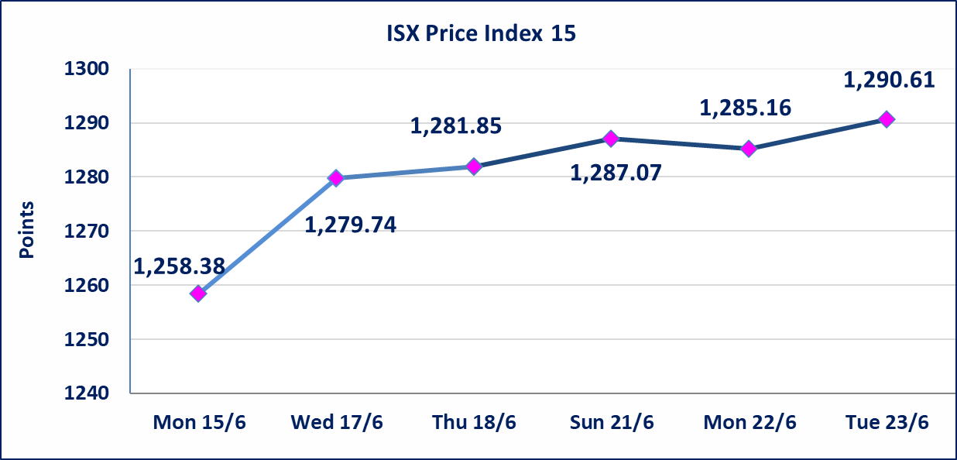

Al-Alwiya P.O . 3607 Mobile: 07711211522 - 07270094594 - 07834000034 E-mail: info-isx@isx-iq.net Web site:www.isx-iq.net

 |  |  | 5

Top 5
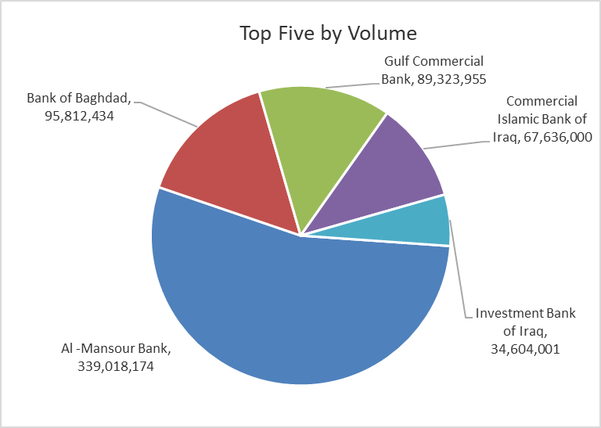
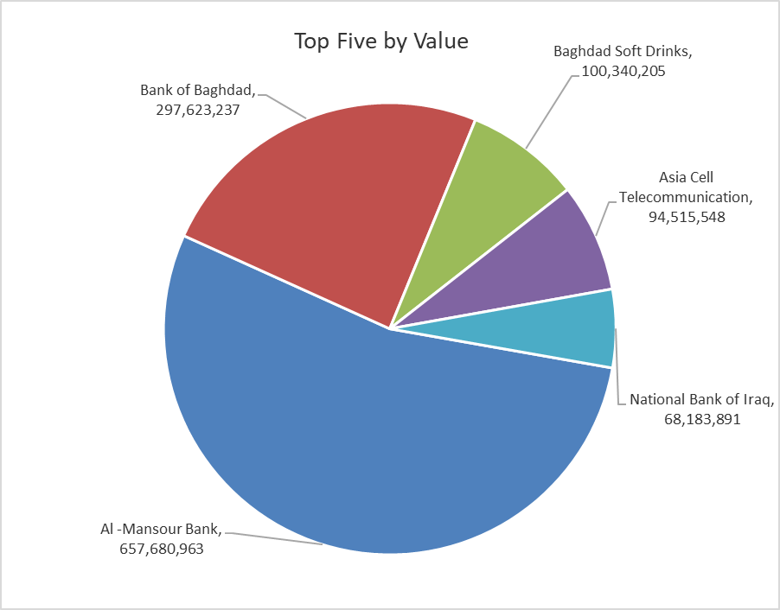

ISX top ganing and losing companies
Tuesday 23/6/2026
 | Gainers |  |  |  | Losers
 | Company Name | Closing Price | Change (%) | Traded Volume | Company Name | Closing Price | Change (%) | Traded Volume
 | Middle East Bank | 0.090 | 12.50 | 5,994,935 | National Furniture Industries | 0.900 | -10.00 | 300,261
 | Baghdad Hotel | 12.480 | 4.00 | 1,082,375 | Mosul Bank For Investment | 0.130 | -7.14 | 100,000
 | Investment Bank of Iraq | 0.280 | 3.70 | 34,604,001 | Babil Animal & Vegetable Production | 7.510 | -6.12 | 734,614
 | Gulf Commercial Bank | 0.360 | 2.86 | 89,323,955 | Union Bank of Iraq | 0.160 | -5.88 | 1,000
 | AL-Badia for General Trans | 1.450 | 2.84 | 2,100,000 | Mansour Hotel | 62.000 | -4.63 | 65,404
 | The most active companies in term of traded volume and value

 | Traded Volume |  |  |  | Traded Value
 | Company Name | Closing Price | Change (%) | Traded Volume | Company Name | Closing Price | Change (%) | Traded Value
 | Al -Mansour Bank | 1.960 | 1.03 | 339,018,174 | Al -Mansour Bank | 1.960 | 1.03 | 657,680,963
 | Bank of Baghdad | 3.100 | 2.65 | 95,812,434 | Bank of Baghdad | 3.100 | 2.65 | 297,623,237
 | Gulf Commercial Bank | 0.360 | 2.86 | 89,323,955 | Baghdad Soft Drinks | 6.740 | 2.12 | 100,340,205
 | Commercial Islamic Bank of Iraq | 0.680 | -1.45 | 67,636,000 | Asia Cell Telecommunication | 16.840 | -0.65 | 94,515,548
 | Investment Bank of Iraq | 0.280 | 3.70 | 34,604,001 | National Bank of Iraq | 4.020 | -0.25 | 68,183,891

Non Iraqis

Iraq Stock Exchange
Non Iraqis' Bulletin Tuesday June 23 2026
Regular Market

Non Iraqi Trading of Regular Market (Buy)
Company Names | Code | No.of trades | Traded Shares | Trading Volume
Banks Sector
Bank Of Baghdad | BBOB | 41 | 37,000,000 | 114,674,293
Iraqi Islamic Bank | BIIB | 1 | 102,496 | 111,721
Ashur International Bank | BASH | 1 | 300,000 | 84,000
Al-Mansour Bank | BMNS | 10 | 150,000,000 | 291,000,000
Total Bank sector |  | 53 | 187,402,496 | 405,870,014
Industry Sector
Al-Mansour Pharmaceuticals Industries | IMAP | 5 | 100,000 | 262,000
Total Industry sector |  | 5 | 100,000 | 262,000
Grand Total |  | 58 | 187,502,496 | 406,132,014

Non Iraqi Trading of Regular Market (Sell)
Company Names | Code | No.of trades | Traded Shares | Trading Volume
Banks Sector
Bank Of Baghdad | BBOB | 1 | 6,161,250 | 19,038,263
Al-Mansour Bank | BMNS | 10 | 13,146,067 | 25,371,909
Total Bank sector |  | 11 | 19,307,317 | 44,410,172
Telecommunication Sector
Asia cell | TASC | 24 | 1,500,000 | 25,347,241
Al-Khatem Telecoms | TZNI | 9 | 40,021 | 166,270
Total Telecommunication sector |  | 33 | 1,540,021 | 25,513,510
Grand Total |  | 44 | 20,847,338 | 69,923,682

Not Trading Bonds

Iraq Stock Exchange
Tuesday 23/6/2026
Not Trading Bonds Bulletin
Bond type | Publish type | Code | last trading price | immortilize date
Banaa Bonds /Million ID | Second | CB20 | 964,981 | 19/12/2025
Eamar Bonds /Million ID | First | CB30 | 1,001,095 | ــــــــــــــــ
Eamar Bonds /Million ID | Second | CB40 | ــــــــــــــــ | ــــــــــــــــ
Eamar Bonds /500 Thousand ID | Third | CB45 | ــــــــــــــــ | ــــــــــــــــ
Eamar Bonds /Million ID | Third | CB50 | ــــــــــــــــ | ــــــــــــــــ
Injaz Bonds /500 Thousand ID | First | CB55 | ــــــــــــــــ | ــــــــــــــــ
Injaz Bonds /Million ID | First | CB60 | 951,110 | ــــــــــــــــ
Injaz Bonds /500 Thousand ID | Second | CB65 | 511,000
Injaz Bonds /Million ID | Second | CB70 | 965,050 | ــــــــــــــــ
Injaz Bonds /500 Thousand ID | Third | CB75 | ــــــــــــــــ | ــــــــــــــــ
Injaz Bonds /Million ID | Third | CB80 | 978,182 | ــــــــــــــــ
National Bonds/Million ID | First | CB90 | ــــــــــــــــ | ــــــــــــــــ
National Bonds/500 Thousand ID | Second | CB95 | ــــــــــــــــ | ــــــــــــــــ
National Bonds/Million ID | Second | CB100 | ــــــــــــــــ | ــــــــــــــــ

